Error Matrix Final
The overall accuracies and Kappa coeffcients for Chwaka Bay Mangroves
Year | Mangrove |  | Accuracy
 | Ground Data | Classification results | Overall accuracy | Kappa coefficients
1973 | 160 | 138 | 85.5% | 0.72
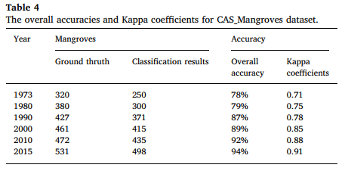
1990 | 160 | 141 | 85.5% | 0.76
1995 | 160 | 134 | 85.4% | 0.79
2000 | 160 | 149 | 93.1% | 0.81
2009 | 160 | 141 | 91.0% | 0.86
2020 | 160 | 156 | 94.5% | 0.89

